Foglio2
This first sheet contains a summary of the results of our experiment. These data refer to those on the second sheet, which contains all the data collected and the scoring process. For more details look at the second sheet. USING EXCEL IS RACOMMENDED

FINAL SCORES ANALYSIS
### | >= The best Human
### | > Average Human
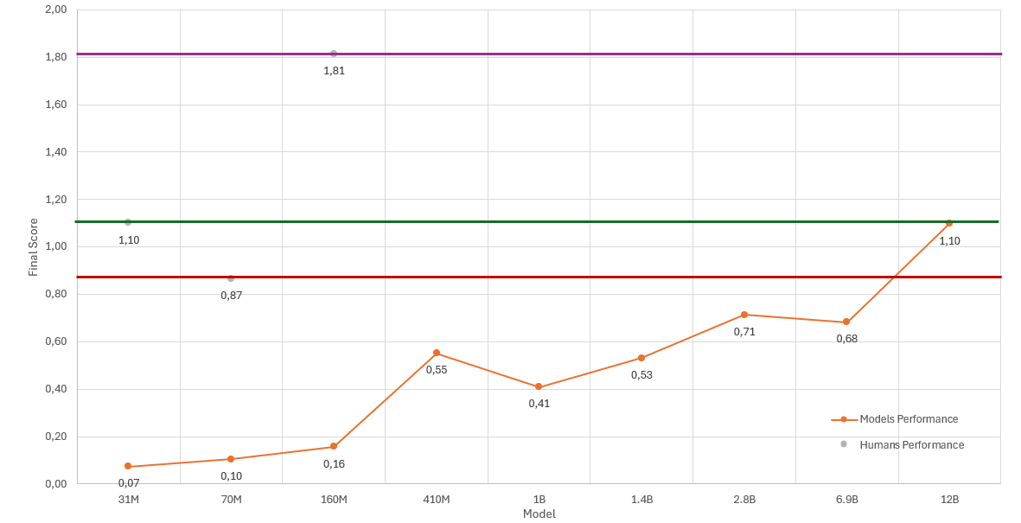
### | <= Average Human
### | <= The worst Human
MODELS | Final Score
31M | 0.07
70M | 0.10
160M | 0.16
410M | 0.55
1B | 0.41
1.4B | 0.53
2.8B | 0.71
6.9B | 0.68
12B | 1.10

HUMANS | Final Score
Average | 1.10
Worst | 0.87
Best | 1.81

Best Final score
MODELS | Final Score
12B | 1.10
2.8B | 0.71
6.9B | 0.68
410M | 0.55
1.4B | 0.53
1B | 0.41
160M | 0.16
70M | 0.10
31M | 0.07

HUMAN SCORES ANALYSIS

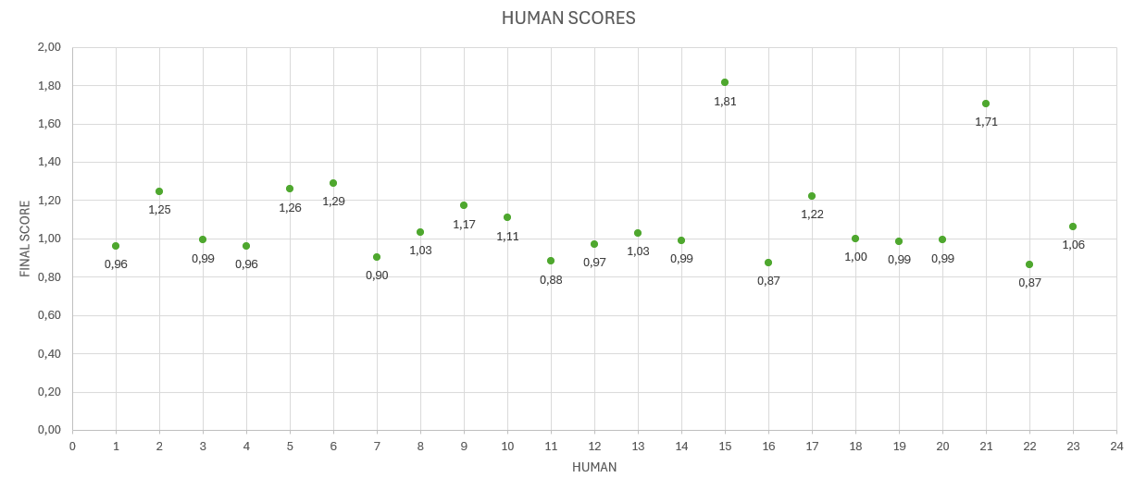
Humans | Score
15 | 1.81
21 | 1.71
6 | 1.29
5 | 1.26
2 | 1.25
17 | 1.22
9 | 1.17
10 | 1.11
23 | 1.06
8 | 1.03
13 | 1.03
18 | 1.00
3 | 0.99
20 | 0.99
14 | 0.99
19 | 0.99
12 | 0.97
1 | 0.96
4 | 0.96
7 | 0.90
11 | 0.88
16 | 0.87
22 | 0.87

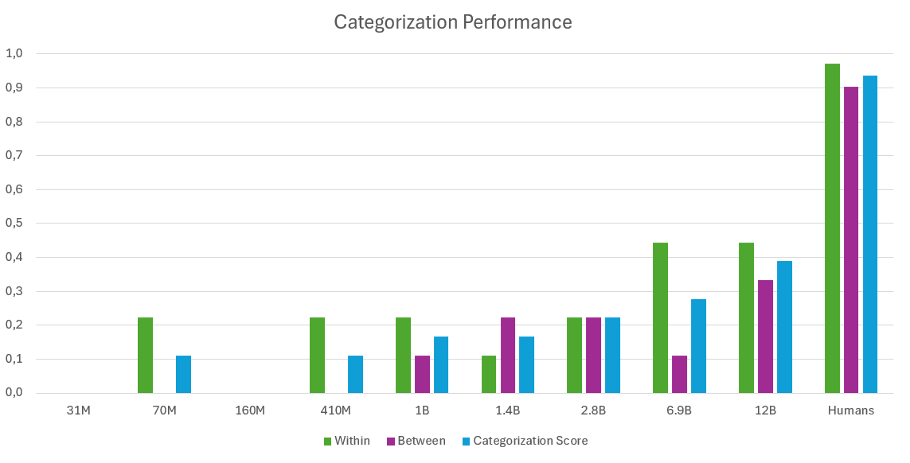
CATEGORIZATION SCORES ANALYSIS
Categorization
MODELS | Within | Between | Categorization Score
31M | 0.00 | 0.00 | 0.00
70M | 0.22 | 0.00 | 0.11
160M | 0.00 | 0.00 | 0.00
410M | 0.22 | 0.00 | 0.11
1B | 0.22 | 0.11 | 0.17
1.4B | 0.11 | 0.22 | 0.17
2.8B | 0.22 | 0.22 | 0.22
6.9B | 0.44 | 0.11 | 0.28
12B | 0.44 | 0.33 | 0.39
Humans | 0.97 | 0.90 | 0.94

 |  | HUMANS | Categorization Score
 |  | Average | 0.94
 |  | Worst | 0.78
 |  | Best | 1.00

Best Within |  |  | Best Between |  | Best Categorization Score
MODELS | Categorization Score |  | MODELS | Categorization Score | MODELS | Categorization Score
6.9B | 0.44 |  | 12B | 0.33 | 12B | 0.39
12B | 0.44 |  | 1.4B | 0.22 | 6.9B | 0.28
70M | 0.22 |  | 2.8B | 0.22 | 2.8B | 0.22
410M | 0.22 |  | 1B | 0.11 | 1B | 0.17
1B | 0.22 |  | 6.9B | 0.11 | 1.4B | 0.17
2.8B | 0.22 |  | 31M | 0.00 | 70M | 0.11
1.4B | 0.11 |  | 70M | 0.00 | 410M | 0.11
31M | 0.00 |  | 160M | 0.00 | 31M | 0.00
160M | 0.00 |  | 410M | 0.00 | 160M | 0.00

